Figure 2
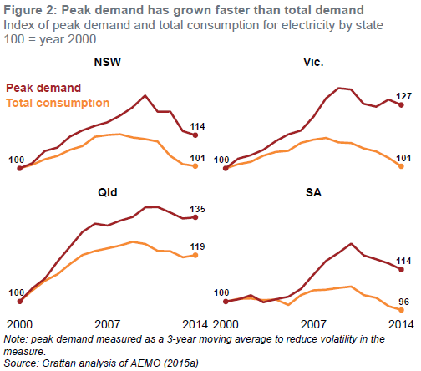
Index of peak demand and total consumption for electricity by state, 100 = year 2000

Year | NSW |  | Vic. |  | Qld |  | SA
 | Peak demand | Total consumption | Peak demand | Total consumption | Peak demand | Total consumption | Peak demand | Total consumption
2000 | 100.0 | 100.0 | 100.0 | 100.0 | 100.0 | 100.0 | 100.0 | 100.0
2001 | 102.2 | 101.5 | 104.1 | 101.7 | 105.6 | 104.6 | 100.9 | 101.1
2002 | 107.3 | 103.8 | 105.5 | 102.7 | 109.6 | 108.7 | 102.7 | 101.3
2003 | 108.7 | 105.2 | 107.8 | 105.3 | 116.7 | 111.5 | 99.7 | 100.6
2004 | 113.3 | 107.8 | 111.5 | 106.9 | 123.0 | 115.8 | 101.0 | 100.9
2005 | 116.0 | 109.4 | 114.3 | 107.4 | 129.3 | 119.6 | 102.1 | 98.6
2006 | 117.9 | 113.3 | 115.9 | 110.7 | 132.8 | 121.2 | 105.4 | 102.7
2007 | 119.4 | 114.1 | 121.7 | 112.1 | 132.0 | 122.4 | 111.4 | 104.7
2008 | 122.2 | 114.4 | 129.4 | 112.8 | 134.0 | 123.5 | 117.2 | 105.0
2009 | 125.7 | 113.1 | 133.8 | 110.9 | 135.6 | 125.1 | 120.5 | 105.7
2010 | 130.7 | 112.3 | 133.2 | 110.7 | 139.6 | 124.2 | 124.4 | 106.3
2011 | 123.8 | 111.3 | 127.2 | 108.4 | 139.7 | 121.3 | 119.5 | 102.7
2012 | 123.9 | 105.3 | 126.0 | 107.2 | 137.4 | 121.2 | 117.8 | 101.5
2013 | 115.7 | 101.8 | 129.0 | 104.4 | 134.9 | 118.6 | 116.1 | 98.0
2014 | 114.0 | 101.0 | 126.7 | 100.8 | 135.5 | 119.5 | 113.5 | 96.4

Figure 3
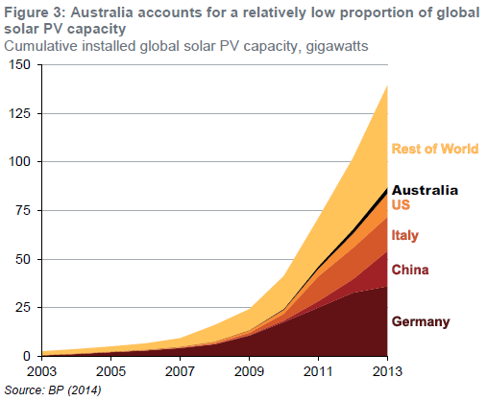
Cumulative installed global solar PV capacity, gigawatts

Year | Germany | China | Italy | US | Australia | Rest of World
2003 | 0.44 | 0.06 | 0.03 | 0.07 | 0.05 | 1.94
2004 | 1.11 | 0.06 | 0.03 | 0.13 | 0.05 | 2.32
2005 | 2.06 | 0.07 | 0.04 | 0.17 | 0.06 | 2.65
2006 | 2.90 | 0.08 | 0.05 | 0.28 | 0.07 | 3.24
2007 | 4.17 | 0.10 | 0.12 | 0.43 | 0.08 | 4.39
2008 | 6.12 | 0.14 | 0.46 | 0.74 | 0.10 | 8.50
2009 | 10.57 | 0.30 | 1.18 | 1.17 | 0.19 | 10.86
2010 | 17.55 | 0.80 | 3.50 | 2.02 | 0.57 | 16.88
2011 | 25.04 | 3.30 | 12.80 | 3.91 | 1.38 | 24.79
2012 | 32.64 | 7.00 | 16.14 | 7.27 | 2.41 | 36.62
2013 | 35.95 | 18.30 | 17.60 | 12.02 | 3.26 | 52.51

Figure 4
Number of small-scale solar PV installations
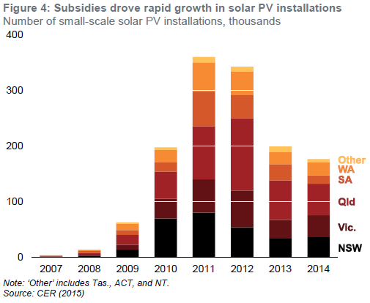
Year | NSW | Vic. | Qld | SA | WA | Other
2007 | 779 | 828 | 475 | 1037 | 262 | 99
2008 | 2890 | 2036 | 3087 | 3456 | 2068 | 527
2009 | 14008 | 8429 | 18283 | 8569 | 11157 | 2470
2010 | 69988 | 35676 | 48697 | 16705 | 22293 | 4849
2011 | 80272 | 60214 | 95303 | 63553 | 51667 | 9736
2012 | 53961 | 66204 | 130252 | 41851 | 42653 | 8399
2013 | 33998 | 33332 | 71197 | 29187 | 21600 | 11093
2014 | 36377 | 39305 | 56952 | 14932 | 23249 | 6353

Figure 5
Rooftop solar PV penetration rates, percentage of owner-occupied houses
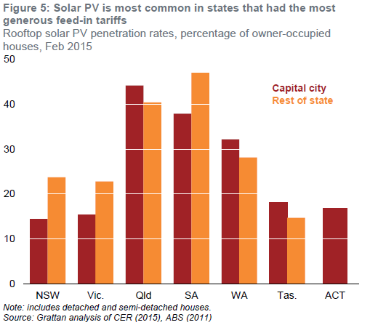
State | Capital city | Rest of state
NSW | 14.5 | 23.7
Vic. | 15.3 | 22.8
Qld | 44.2 | 40.4
SA | 37.9 | 47.0
WA | 32.2 | 28.2
Tas. | 18.1 | 14.7
ACT | 16.9

Figure 6
Average power consumption and three-kilowatt solar PV output, typical Melbourne household, kilowatts

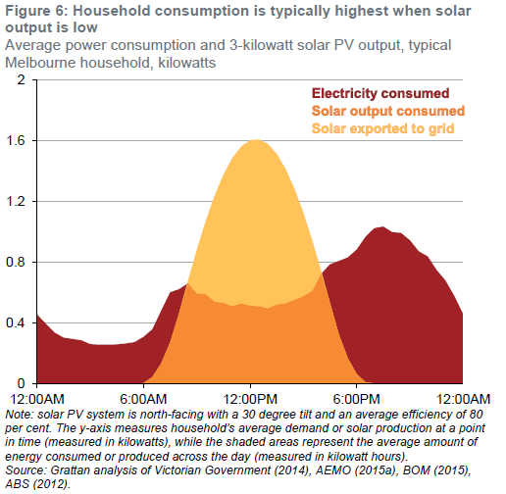
Half-hour period ending | Electricity demand | Solar PV output
0:30:00 | 0.395 | 0
1:00:00 | 0.336 | 0
1:30:00 | 0.303 | 0
2:00:00 | 0.294 | 0
2:30:00 | 0.285 | 0
3:00:00 | 0.260 | 0
3:30:00 | 0.256 | 0
4:00:00 | 0.256 | 0
4:30:00 | 0.258 | 0
5:00:00 | 0.264 | 0
5:30:00 | 0.273 | 0
6:00:00 | 0.308 | 0.002
6:30:00 | 0.358 | 0.041
7:00:00 | 0.481 | 0.131
7:30:00 | 0.602 | 0.269
8:00:00 | 0.622 | 0.459
8:30:00 | 0.661 | 0.674
9:00:00 | 0.594 | 0.880
9:30:00 | 0.588 | 1.069
10:00:00 | 0.538 | 1.236
10:30:00 | 0.532 | 1.376
11:00:00 | 0.509 | 1.486
11:30:00 | 0.527 | 1.562
12:00:00 | 0.513 | 1.604
12:30:00 | 0.508 | 1.610
13:00:00 | 0.495 | 1.580
13:30:00 | 0.519 | 1.514
14:00:00 | 0.528 | 1.415
14:30:00 | 0.550 | 1.285
15:00:00 | 0.574 | 1.126
15:30:00 | 0.608 | 0.944
16:00:00 | 0.722 | 0.743
16:30:00 | 0.786 | 0.529
17:00:00 | 0.809 | 0.322
17:30:00 | 0.831 | 0.166
18:00:00 | 0.883 | 0.062
18:30:00 | 0.968 | 0.008
19:00:00 | 1.025 | 0
19:30:00 | 1.035 | 0
20:00:00 | 0.999 | 0
20:30:00 | 0.993 | 0
21:00:00 | 0.945 | 0
21:30:00 | 0.871 | 0
22:00:00 | 0.839 | 0
22:30:00 | 0.749 | 0
23:00:00 | 0.679 | 0
23:30:00 | 0.577 | 0
24:00:00 | 0.457 | 0

Figure 7
Aggregate net present benefits and costs to society of solar PV systems installed from 2009, $2015 (billions)

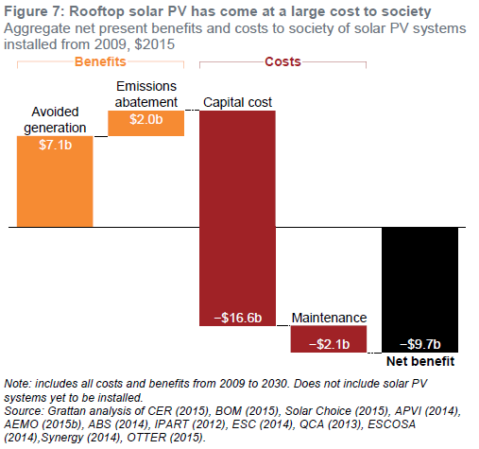
Component | Benefit/cost
Avoided generation | 7.06
Emissions abatement | 1.97
Capital cost | -16.61
Maintenance | -2.09
Net benefit | -9.66

Figure 8
Electrical current flowing through a Queensland feeder in a residential area with increasing rooftop solar penetration, amps

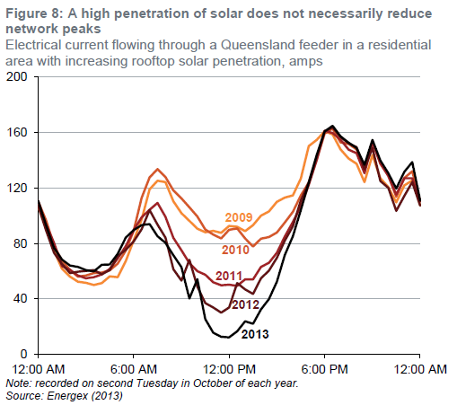
Time | 2009 | 2010 | 2011 | 2012 | 2013
0:30:00 | 90.0 | 96.7 | 93.6 | 89.5 | 93.2
1:00:00 | 74.6 | 78.3 | 80.5 | 73.2 | 76.8
1:30:00 | 61.7 | 67.6 | 63.7 | 65.2 | 68.4
2:00:00 | 56.1 | 60.7 | 60.9 | 58.6 | 64.1
2:30:00 | 52.3 | 56.1 | 56.8 | 59.6 | 63.1
3:00:00 | 51.6 | 56.8 | 54.9 | 60.2 | 60.7
3:30:00 | 50.0 | 58.6 | 55.7 | 60.7 | 59.8
4:00:00 | 51.4 | 59.0 | 57.6 | 57.8 | 64.6
4:30:00 | 56.3 | 60.5 | 61.5 | 60.7 | 64.8
5:00:00 | 55.7 | 65.4 | 69.1 | 70.9 | 72.5
5:30:00 | 67.2 | 74.8 | 77.9 | 75.4 | 84.2
6:00:00 | 82.2 | 89.3 | 89.6 | 81.4 | 89.6
6:30:00 | 97.3 | 112.9 | 98.8 | 90.2 | 93.2
7:00:00 | 118.9 | 127.5 | 104.3 | 104.1 | 93.9
7:30:00 | 125.2 | 133.6 | 109.2 | 93.6 | 85.2
8:00:00 | 124.2 | 127.9 | 99.2 | 84.2 | 80.5
8:30:00 | 110.4 | 118.2 | 84.0 | 61.3 | 71.5
9:00:00 | 101.8 | 112.5 | 75.0 | 53.1 | 62.9
9:30:00 | 96.3 | 106.1 | 65.8 | 68.2 | 40.2
10:00:00 | 90.6 | 99.4 | 60.0 | 48.8 | 54.3
10:30:00 | 88.1 | 90.0 | 57.4 | 36.9 | 25.4
11:00:00 | 89.1 | 86.3 | 52.0 | 33.8 | 15.6
11:30:00 | 87.7 | 83.6 | 49.8 | 30.1 | 12.7
12:00:00 | 92.6 | 89.8 | 50.2 | 33.8 | 12.3
12:30:00 | 92.0 | 90.8 | 49.4 | 51.4 | 16.6
13:00:00 | 88.9 | 83.6 | 54.1 | 46.9 | 23.8
13:30:00 | 93.2 | 77.7 | 54.1 | 43.6 | 22.1
14:00:00 | 100.0 | 83.4 | 63.1 | 54.9 | 32.4
14:30:00 | 103.1 | 84.6 | 66.0 | 60.4 | 39.8
15:00:00 | 110.0 | 87.9 | 73.2 | 69.5 | 52.3
15:30:00 | 113.1 | 95.1 | 85.0 | 82.0 | 71.7
16:00:00 | 114.6 | 102.7 | 95.5 | 92.4 | 85.2
16:30:00 | 126.8 | 114.6 | 106.6 | 110.9 | 104.1
17:00:00 | 150.2 | 123.8 | 122.3 | 124.0 | 123.8
17:30:00 | 154.7 | 140.4 | 140.2 | 142.6 | 143.8
18:00:00 | 160.9 | 159.2 | 161.3 | 160.7 | 160.7
18:30:00 | 158.6 | 162.9 | 159.6 | 163.7 | 164.8
19:00:00 | 147.9 | 152.9 | 154.9 | 156.8 | 157.2
19:30:00 | 141.2 | 151.8 | 147.7 | 152.1 | 152.7
20:00:00 | 137.5 | 147.9 | 145.1 | 149.4 | 148.8
20:30:00 | 124.2 | 133.6 | 130.7 | 133.4 | 136.7
21:00:00 | 143.8 | 153.9 | 152.9 | 149.0 | 154.7
21:30:00 | 127.0 | 137.5 | 137.9 | 125.0 | 139.8
22:00:00 | 120.7 | 129.1 | 128.7 | 120.1 | 130.7
22:30:00 | 109.6 | 113.7 | 115.2 | 103.5 | 119.5
23:00:00 | 121.9 | 127.1 | 127.0 | 114.3 | 131.6
23:30:00 | 125.4 | 132.0 | 127.0 | 124.2 | 138.7
0:00:00 | 107.4 | 110.4 | 110.4 | 107.2 | 110.7

Figure 9
Aggregate net cross-subsidies from electricity consumers without solar PV to consumers with solar PV, $2015 (billions)

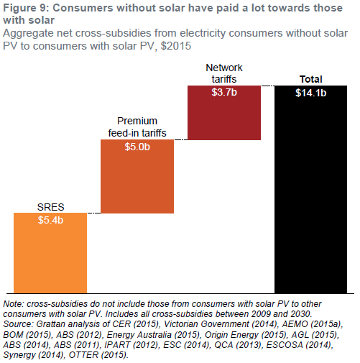
Component | Cross-subsidy
SRES | 5.43
Premium feed-in tariffs | 4.96
Network tariffs | 3.66
Total | 14.05

Figure 10
Net present value of investing in a three-kilowatt solar PV system for a typical household, $2015, current tariff

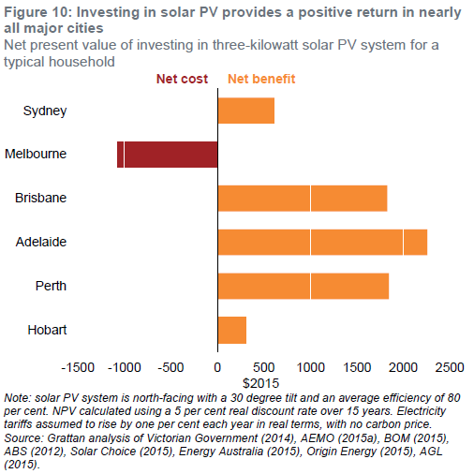
City | NPV
Sydney | 612
Melbourne | -1073
Brisbane | 1825
Adelaide | 2256
Perth | 1843
Hobart | 309

Figure 11
Net present benefits and costs of installing a three-kilowatt solar PV system, typical Sydney household, $2015

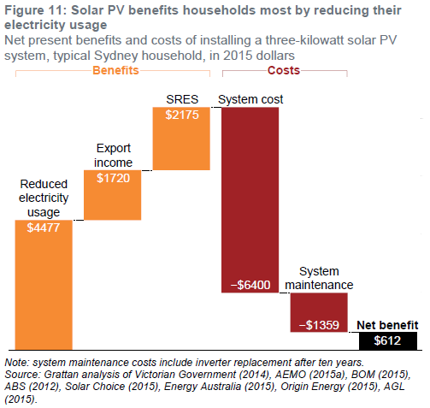
Component | NPV
Reduced electricity usage | 4477
Export income | 1720
SRES | 2175
System cost | -6400
System maintenance | -1359
Net benefit | 612

Figure 12
Net present value of investing in a three-kilowatt solar PV system for a typical household, $2015, demand tariff

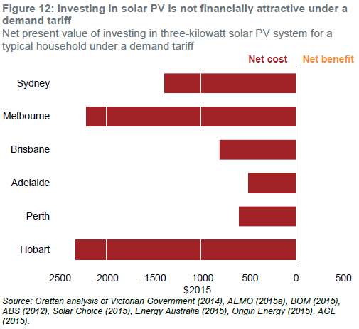
City | NPV
Sydney | -1386
Melbourne | -2205
Brisbane | -805
Adelaide | -500
Perth | -601
Hobart | -2318

Figure 13
Net present benefits and costs of installing a three-kilowatt solar PV system under a demand tariff, typical Brisbane household, $2015

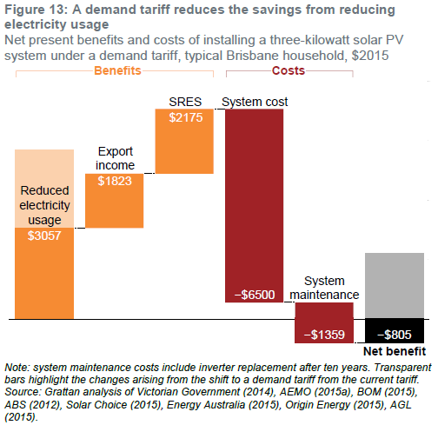
Component | NPV
Reduced electricity usage | 3057
Export income | 1823
SRES | 2175
System cost | -6500
System maintenance | -1359
Net benefit | -805

Figure 14
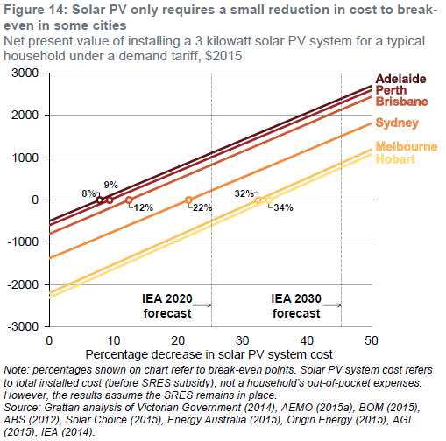
Net present value of installing a three-kilowatt solar PV system for a typical household under a demand tariff, $2015

Percentage decrease in solar PV cost | Sydney | Melbourne | Brisbane | Adelaide | Perth | Hobart
0 | -1386 | -2205 | -805 | -500 | -601 | -2318
10 | -746 | -1526 | -155 | 139 | 39 | -1638
20 | -106 | -846 | 495 | 779 | 679 | -958
30 | 534 | -166 | 1145 | 1419 | 1319 | -278
40 | 1174 | 514 | 1795 | 2059 | 1959 | 402
50 | 1814 | 1194 | 2445 | 2699 | 2599 | 1082

Breakeven percentage decrease | 21.65 | 32.43 | 12.38 | 7.82 | 9.39 | 34.09

Figure 15
Substation load, 15 January 2015, megawatts

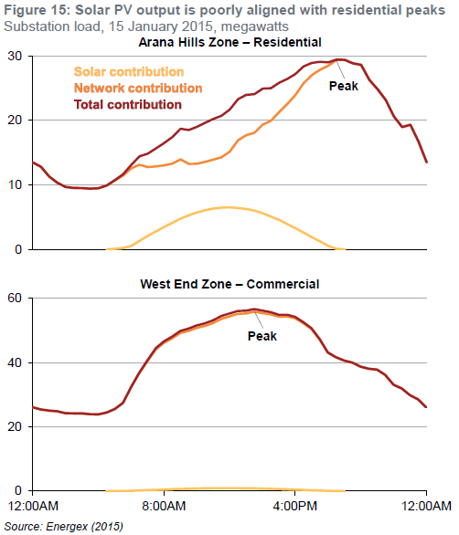
 | Arana Hills Zone - Residential |  |  | West End Zone - Commercial
Time | Solar contribution | Network contribution | Total contribution | Solar contribution | Network contribution | Total contribution
0:30:00 | 0 | 12.81 | 12.81 | 0 | 25.39 | 25.39
1:00:00 | 0 | 11.29 | 11.29 | 0 | 25.05 | 25.05
1:30:00 | 0 | 10.33 | 10.33 | 0 | 24.80 | 24.80
2:00:00 | 0 | 9.67 | 9.67 | 0 | 24.23 | 24.23
2:30:00 | 0 | 9.52 | 9.52 | 0 | 24.17 | 24.17
3:00:00 | 0 | 9.51 | 9.51 | 0 | 24.19 | 24.19
3:30:00 | 0 | 9.41 | 9.41 | 0 | 23.91 | 23.91
4:00:00 | 0 | 9.48 | 9.48 | 0 | 23.85 | 23.85
4:30:00 | 0 | 9.90 | 9.90 | 0 | 24.41 | 24.41
5:00:00 | 0.07 | 10.68 | 10.75 | 0.01 | 25.53 | 25.54
5:30:00 | 0.20 | 11.45 | 11.65 | 0.03 | 27.43 | 27.45
6:00:00 | 0.52 | 12.59 | 13.11 | 0.07 | 32.38 | 32.46
6:30:00 | 1.30 | 13.12 | 14.43 | 0.18 | 36.74 | 36.92
7:00:00 | 2.09 | 12.76 | 14.84 | 0.29 | 40.49 | 40.78
7:30:00 | 2.80 | 12.87 | 15.67 | 0.38 | 44.08 | 44.47
8:00:00 | 3.45 | 13.04 | 16.49 | 0.47 | 46.13 | 46.60
8:30:00 | 4.11 | 13.30 | 17.41 | 0.56 | 47.50 | 48.06
9:00:00 | 4.76 | 13.96 | 18.71 | 0.65 | 49.19 | 49.84
9:30:00 | 5.28 | 13.24 | 18.52 | 0.72 | 49.84 | 50.56
10:00:00 | 5.73 | 13.28 | 19.01 | 0.78 | 50.76 | 51.55
10:30:00 | 6.06 | 13.57 | 19.63 | 0.83 | 51.38 | 52.21
11:00:00 | 6.32 | 13.92 | 20.24 | 0.86 | 52.27 | 53.14
11:30:00 | 6.45 | 14.28 | 20.73 | 0.88 | 53.59 | 54.47
12:00:00 | 6.52 | 15.18 | 21.70 | 0.89 | 54.36 | 55.25
12:30:00 | 6.39 | 16.91 | 23.29 | 0.87 | 55.16 | 56.03
13:00:00 | 6.26 | 17.70 | 23.96 | 0.86 | 55.25 | 56.11
13:30:00 | 5.99 | 18.07 | 24.07 | 0.82 | 55.84 | 56.66
14:00:00 | 5.60 | 19.34 | 24.95 | 0.77 | 55.41 | 56.18
14:30:00 | 5.08 | 19.93 | 25.01 | 0.70 | 54.99 | 55.68
15:00:00 | 4.56 | 21.29 | 25.85 | 0.62 | 54.26 | 54.89
15:30:00 | 3.91 | 22.55 | 26.46 | 0.53 | 54.33 | 54.86
16:00:00 | 3.26 | 23.95 | 27.20 | 0.45 | 53.80 | 54.25
16:30:00 | 2.61 | 25.77 | 28.38 | 0.36 | 52.25 | 52.61
17:00:00 | 1.89 | 27.04 | 28.93 | 0.26 | 50.44 | 50.69
17:30:00 | 1.24 | 27.87 | 29.11 | 0.17 | 47.14 | 47.31
18:00:00 | 0.52 | 28.50 | 29.02 | 0.07 | 43.07 | 43.15
18:30:00 | 0.07 | 29.38 | 29.44 | 0.01 | 41.63 | 41.64
19:00:00 | 0 | 29.41 | 29.41 | 0 | 40.61 | 40.61
19:30:00 | 0 | 28.85 | 28.85 | 0 | 39.96 | 39.96
20:00:00 | 0 | 28.62 | 28.62 | 0 | 38.69 | 38.69
20:30:00 | 0 | 26.30 | 26.30 | 0 | 38.07 | 38.07
21:00:00 | 0 | 24.86 | 24.86 | 0 | 37.79 | 37.79
21:30:00 | 0 | 23.16 | 23.16 | 0 | 36.13 | 36.13
22:00:00 | 0 | 20.61 | 20.61 | 0 | 33.09 | 33.09
22:30:00 | 0 | 18.96 | 18.96 | 0 | 31.94 | 31.94
23:00:00 | 0 | 19.33 | 19.33 | 0 | 29.86 | 29.86
23:30:00 | 0 | 16.68 | 16.68 | 0 | 28.52 | 28.52
0:00:00 | 0 | 13.49 | 13.49 | 0 | 26.07 | 26.07

Figure 16
Break-even installed price of a seven-kilowatt-hour battery for a typical household with three-kilowatts of solar PV, $2015

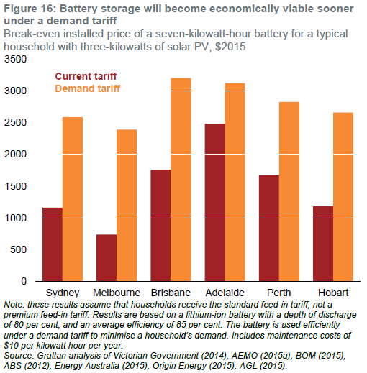
City | Current tariff | Demand tariff
Sydney | 1160 | 2587
Melbourne | 737 | 2394
Brisbane | 1759 | 3209
Adelaide | 2485 | 3126
Perth | 1674 | 2830
Hobart | 1186 | 2663

Figure 17
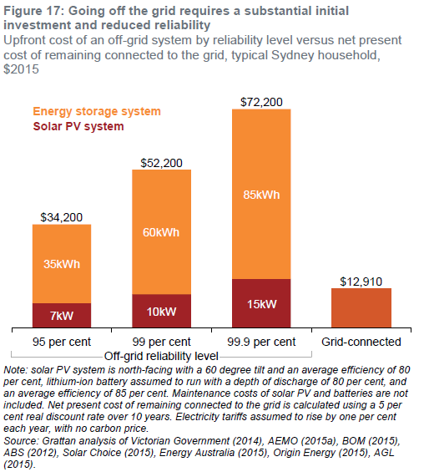
Upfront cost of an off-grid system by reliability level versus net present cost of remaining connected to the grid, typical Sydney household, $2015

 | Solar PV |  | Battery storage
Reliability level | System size | System cost | System size | System cost | Total cost
95 per cent | 7 | 8200 | 35 | 26000 | 34200
99 per cent | 10 | 11200 | 60 | 41000 | 52200
99.9 per cent | 15 | 16200 | 85 | 56000 | 72200
NPC of grid-connection |  |  |  |  | 12910

Figure 18
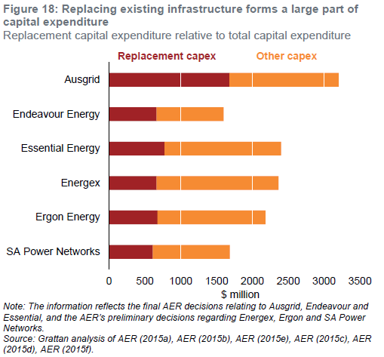
Network business replacement capital expenditure and other capital expenditure

Network business | Replacement capex | Other capex
Ausgrid | 1678 | 1523
Endeavour Energy | 665 | 931
Essential Energy | 775 | 1626
Energex | 662 | 1700
Ergon Energy | 675 | 1507
SA Power Networks | 609 | 1075

Figure 19
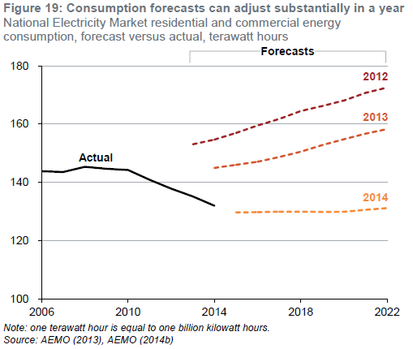
National Electricity Market residential and commercial energy consumption, forecast versus actual, terawatt hours

Year | Actual | 2012 forecast | 2013 forecast | 2014 forecast
2006 | 143800
2007 | 143556
2008 | 145341
2009 | 144670
2010 | 144248
2011 | 140888
2012 | 137831
2013 | 135163 | 153068
2014 | 131985 | 154673 | 144958
2015 |  | 156989 | 146031 | 129683
2016 |  | 159497 | 147067 | 129773
2017 |  | 161760 | 148692 | 129938
2018 |  | 164462 | 150504 | 129949
2019 |  | 166207 | 152791 | 129868
2020 |  | 168090 | 154810 | 129910
2021 |  | 170737 | 156700 | 130579
2022 |  | 172562 | 158280 | 131179

