Figure 1.1
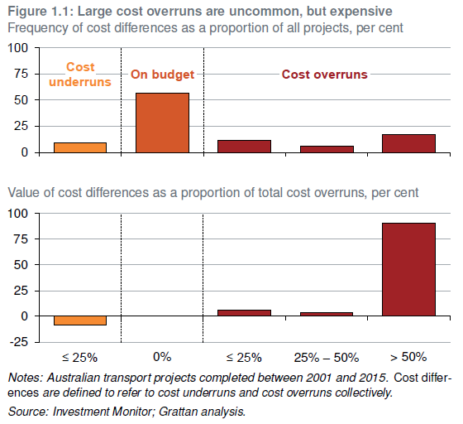
Size of overrun |  | Proportion of projects | Proportion of the value of overruns
Underun | ≤ 25% | 9.225092251 | -8.576153224
On budget | 0 | 56.64206642 | 0
Overrun | ≤ 25% | 11.25461255 | 5.829193271
Overrun | 25% - 50% | 5.719557196 | 3.895611433
Overrun | > 50% | 17.15867159 | 90.2751953

Figure 1.2
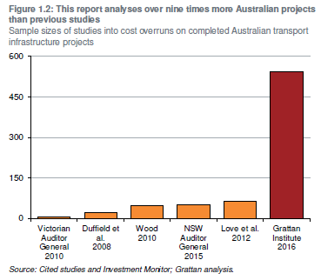
Study | Sample size
Victorian Auditor General 2010 | 7
Duffield et al. 2008 | 23
Wood 2010 | 46
NSW Auditor General 2015 | 50
Love et al. 2012 | 62
Grattan Institute 2016 | 542

Figure 1.4
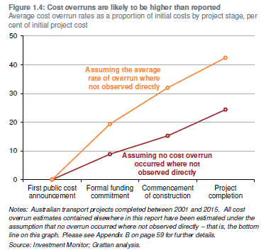
Cost overruns, as a per cent of initial project cost
 | Lower bound | Upper bound
First public cost announcement | 0 | 0
Formal funding commitment | 8.86 | 19.36
Commencement of construction | 15.25 | 31.98
Project completion | 24.4 | 42.45

Figure 1.5
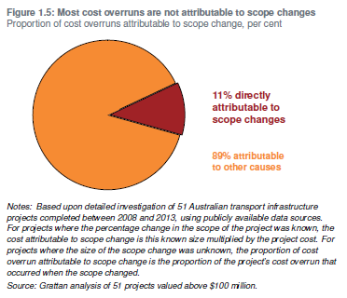
Per cent of cost overruns attributable to each cause
Scope changes | 0.11359236002
Other/unknown | 0.88640763998

Figure 2.1
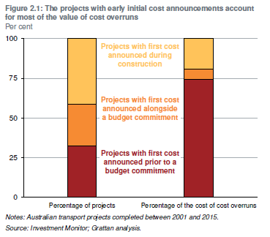
 | Possible or under consideration | Committed | Under construction
Percentage of projects | 32.47232472 | 26.19926199 | 41.32841328
Percentage of the cost of cost overruns | 74.297621 | 6.584531481 | 19.11784752

Figure 2.2
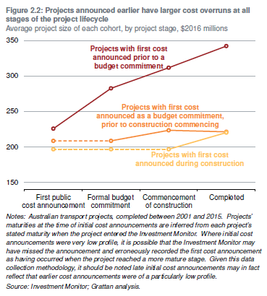
Average project size when | Possible or under consideration | Committed | Under construction
First possible or under consideration | 225.6173917 | 208.3204693 | 196.4780322
First committed | 282.5843789 | 208.3833452 | 196.4780322
First under construction | 311.7379151 | 223.2768895 | 196.4780322
Completed | 342.300855 | 221.1373872 | 220.0685811

Figure 2.3
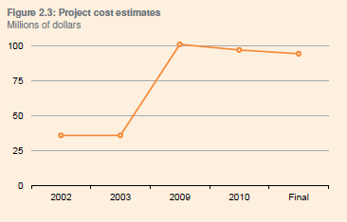
Date | Estimated cost, $m
2001 | 136
May-05 | 337
Aug-05 | 370
2006 | 511
2007 | 631
2009 | 705
Final | 688

Figure 2.4
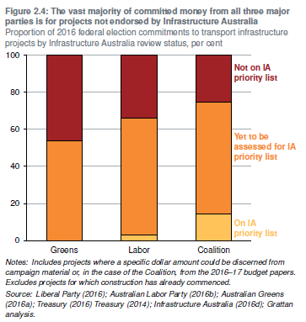
 | Not on IA priority list | Yet to be assessed for IA priority list | On IA priority list
Greens | 46% | 54% | 0%
Labor | 34% | 63% | 3%
Coalition | 26% | 60% | 15%

Figure 2.5
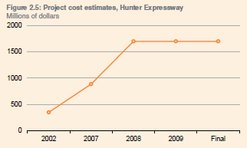
Date | Estimated cost, $m
2003 | 593.5
2007 | 1100
2008 | 1950
Final | 1755

Figure 3.1
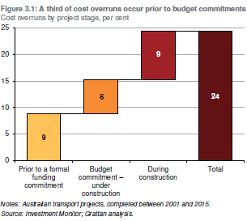
 | Average magnitude of cost overruns
Prior to a formal funding commitment | 0.088570235636
Budget commitment – under construction | 0.06395256764
During construction | 0.091433689921
Overall | 0.2439564932

Figure 3.2
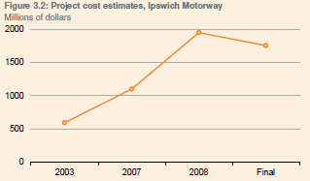
Date | Estimated cost, $m
2002 | 350
2007 | 887
2008 | 1700
2009 | 1700
Final | 1700

Figure 3.3
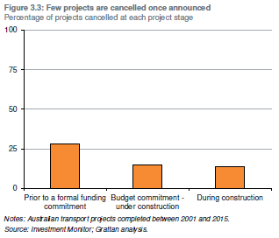
Cancellation rate across all projects by project stage
At the end of the "under consideration" stage | 28%
At the end of the "committed" stage | 15%
At the end of the "under construction" stage | 14% | s

Figure 4.1
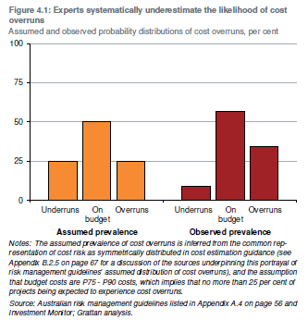
 | Underrun | On budget | Overrun
Assumed | 25% | 50% | 25%
Observed | 9% | 57% | 34%

Figure 4.2
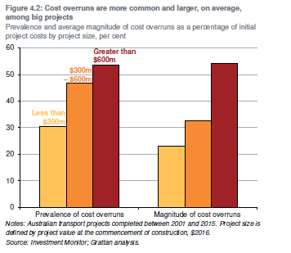
 | Less than 300m | 300m-600m | Greater than 600m
Prevalence of overruns | 31% | 47% | 54%
Mean overrun as proportion of initial project size | 0.23152565723 | 0.32525539321 | 0.54177825936

Figure 4.3
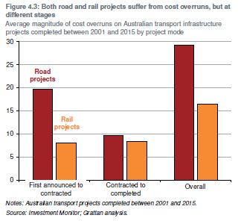
Average magnitude of overruns, as a proportion of initial project costs
 | First announced - contracted | Contracted - completed | Overall
Road | 20% | 10% | 29%
Rail | 8% | 8% | 16%
All | 15% | 9% | 24%

Figure 4.4
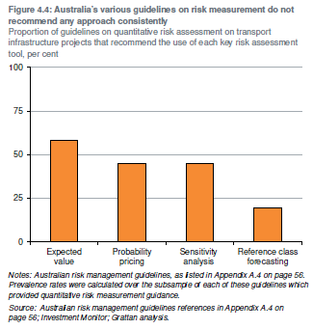
Percentage of guidelines which provide advice on risk measurement that recommend:
Expected value | 58%
Probability pricing | 45%
Sensitivity analysis | 45%
Reference class forecasting | 19%

Figure 5.1
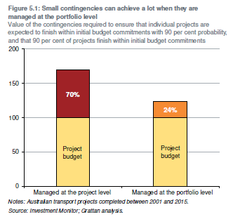
Size of contingency, as a per cent of budgeted costs, required for 90% confidence:
At the portfolio level | 70%
At the project level | 24%

Figure A.6
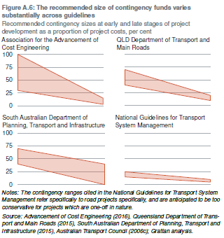
Recommended contingency margins, as a per cent of project costs
 | QLD |  | AACE |  | SA |  | NGTSM
 | Upper bound | Lower bound | Upper bound | Lower bound | Upper bound | Lower bound | Upper bound | Lower bound
Early stage contingency ranges | 70% | 40% | 100% | 30% | 70% | 40% | 25% | 15%
Late stage contingency ranges | 20% | 10% | 15% | 3% | 40% | 0% | 10% | 5%

Figure B.1
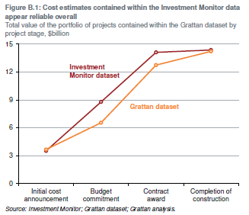
Comparison of the magnitude of cost estimates - only those with a Grattan cost estimate
Investment Monitor ($m) |  | Grattan Dataset ($m)
First cost when possible or under consideration | 3520 | Initial funding commitment | 3664.6
First cost when committed | 8780 | Final funding commitment | 6544.4
First cost when under construction | 14106 | Initial contracted cost | 12741.2
Final cost | 14357 | Actual cost | 14210.6

Figure B.2
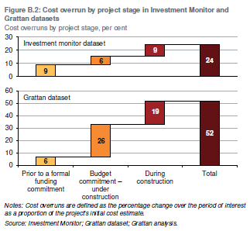
Cost overruns, as a per cent of initial project costs
Investment Monitor dataset | Average magnitude of cost overruns
Initial announcement - funding commitment | 9%
Funding commitment - contract | 6%
Contract - completion | 9%
Initial announcement - completion | 24%
Grattan dataset
Initial announcement - funding commitment | 6%
Funding commitment - contract | 26%
Contract - completion | 19%
Initial announcement - completion | 52%

